FORNO (Burger&Croissant)
DATE | DESCRIPTION | QUANTITY | PRICE | BILLS | SUBTOTAL | TOTAL | Rp1,831,500
3-Mar-2026 | BRIOCHE BUN | 25 | IDR 5,000 | 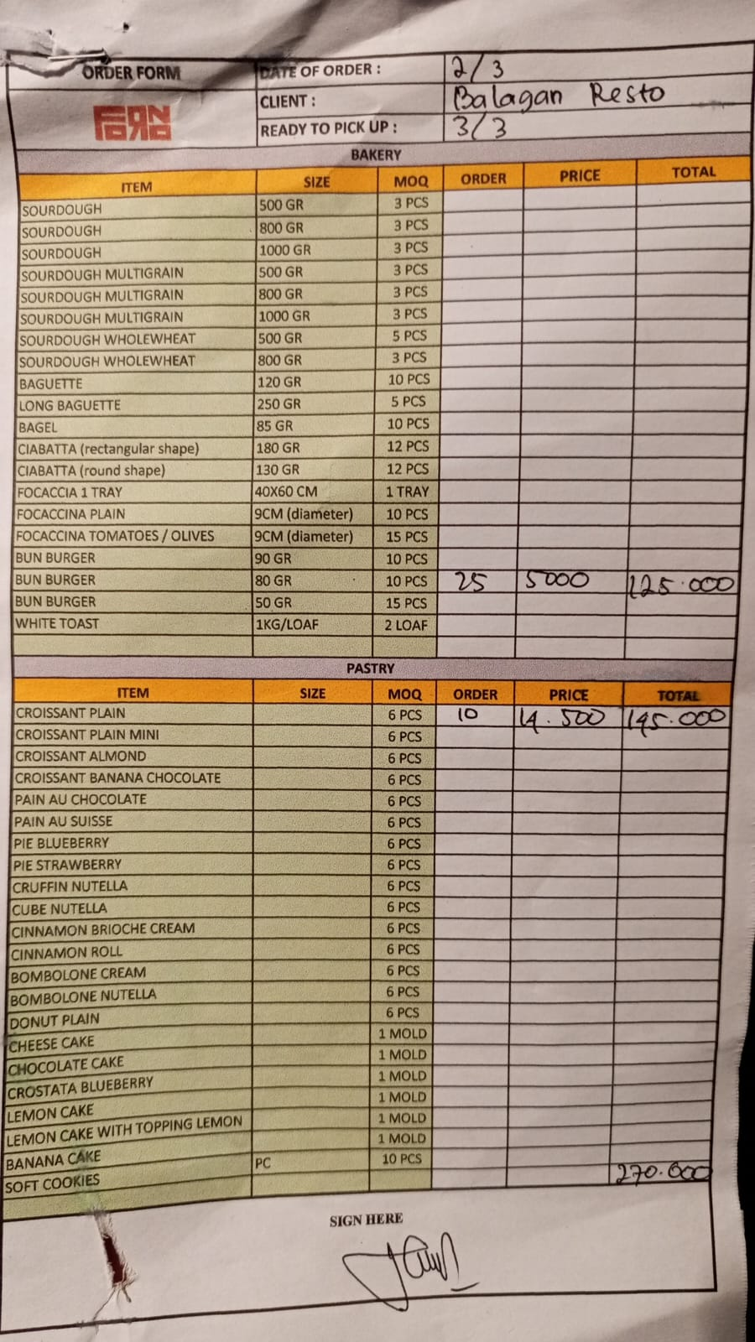 | IDR 125,000 | IDR 270,000
 | CROISSANT PLAIN | 10 | IDR 14,500 |  | IDR 145,000
10-Mar-2026 | BRIOCHE BUN | 25 | IDR 5,000 | 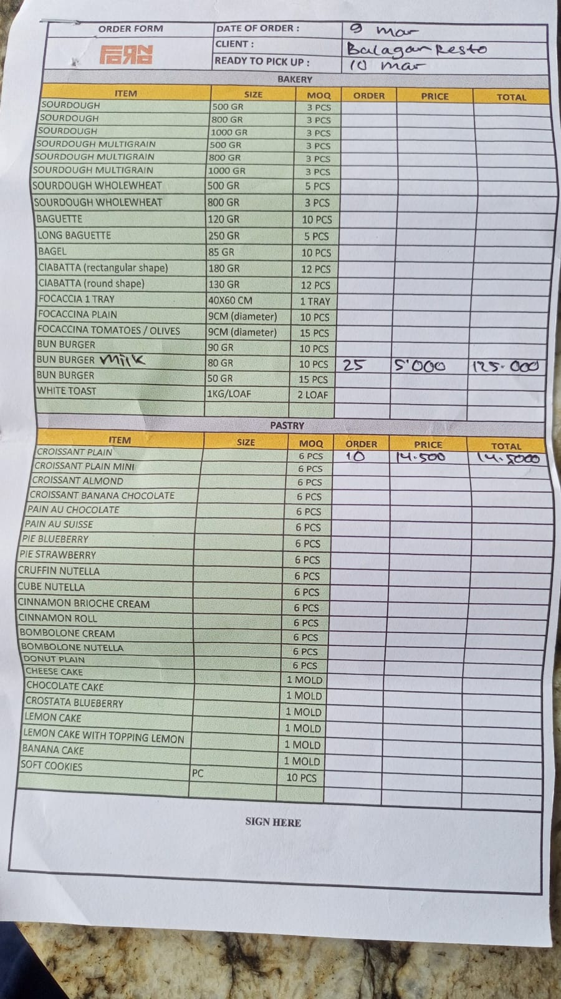 | IDR 125,000 | IDR 270,000
 | CROISSANT PLAIN | 10 | IDR 14,500 |  | IDR 145,000
16-Mar-2026 | BRIOCHE BUN | 25 | IDR 5,000 |  | IDR 125,000 | IDR 270,000
 | CROISSANT PLAIN | 10 | Rp14,500 |  | IDR 145,000
21-Mar-2026 | BRIOCHE BUN | 30 | Rp5,000 | 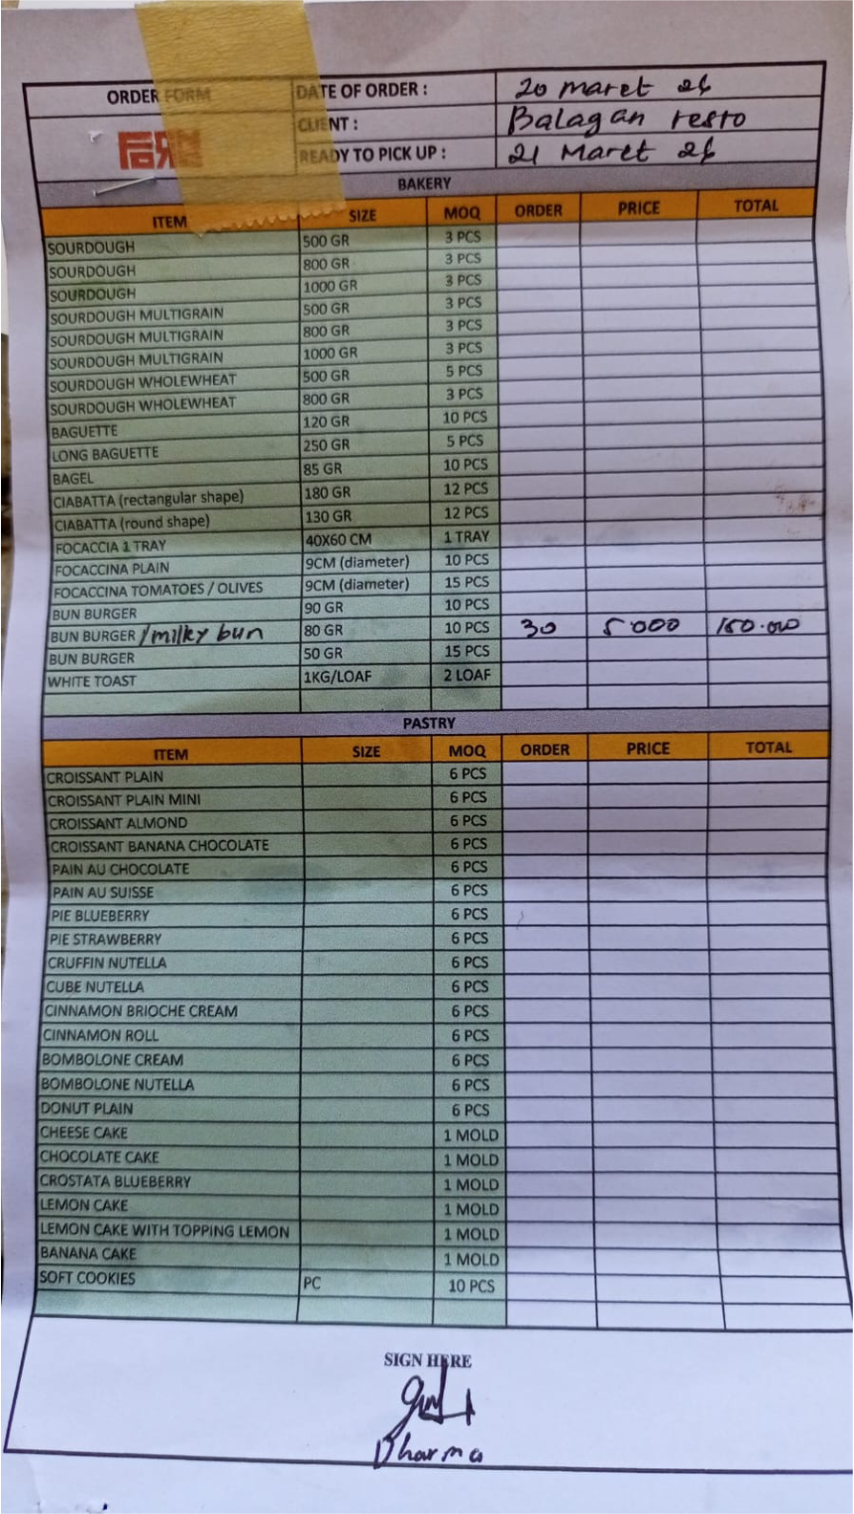 | IDR 150,000 | IDR 150,000
25-Mar-2026 | BRIOCHE BUN | 25 | Rp5,000 | 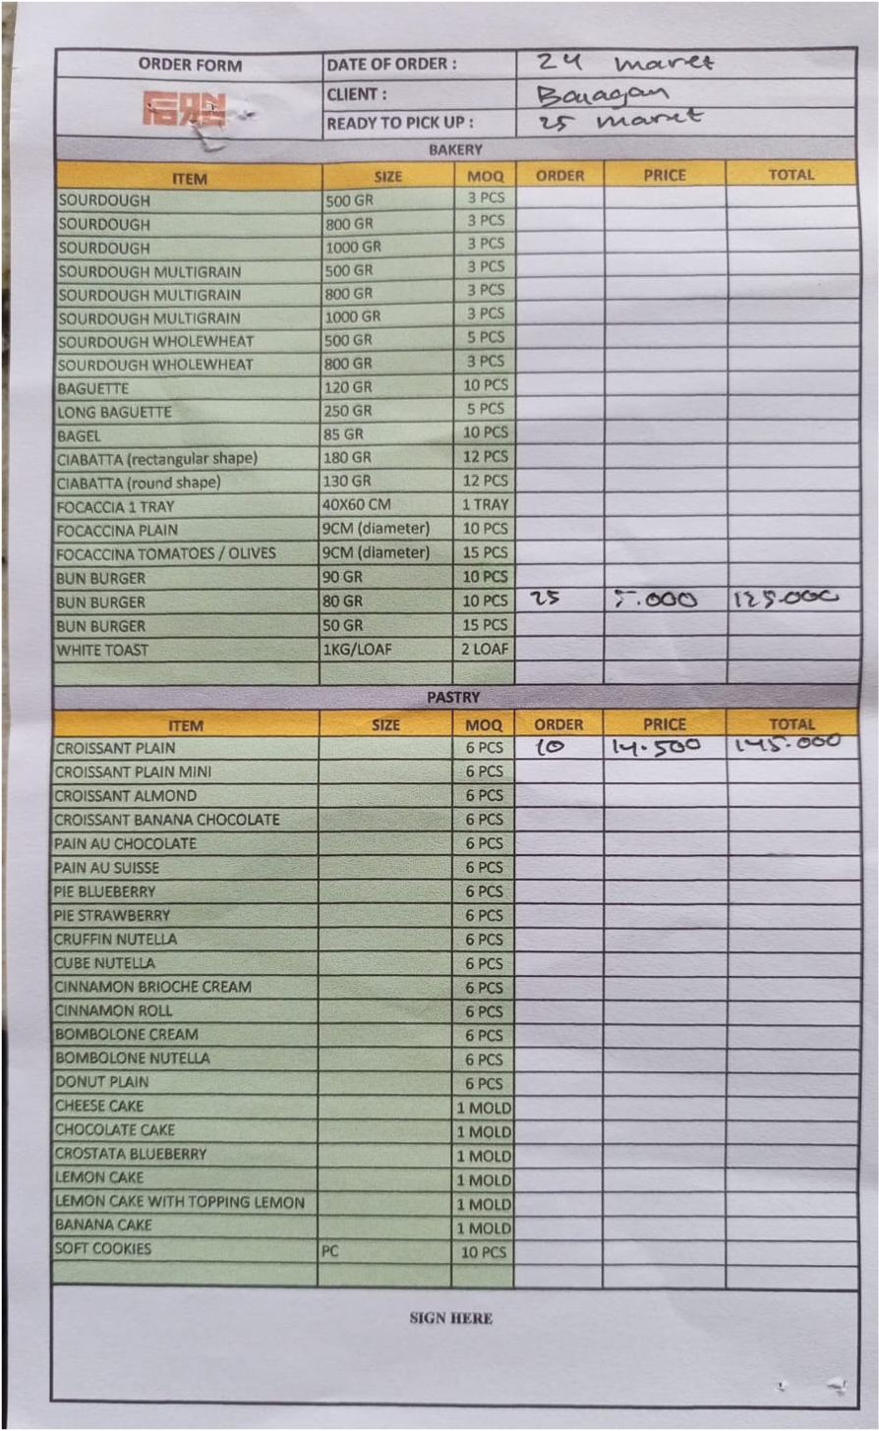 | IDR 125,000 | IDR 270,000
 | CROISSANT PLAIN | 10 | Rp14,500 |  | IDR 145,000
27-Mar-2026 | BRIOCHE BUN | 30 | IDR 5,000 | 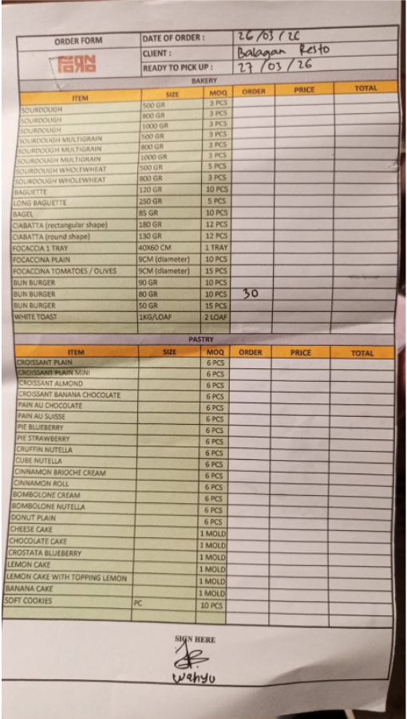 | IDR 150,000 | IDR 150,000
30-Mar-2026 | BRIOCHE BUN | 25 | IDR 5,000 | 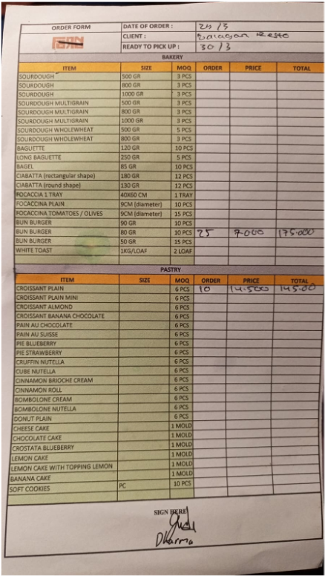 | IDR 125,000 | IDR 270,000
 | CROISSANT PLAIN | 10 | IDR 14,500 |  | IDR 145,000

 |  | Total | Rp1,650,000
 |  | PPN 11 % | Rp181,500
 |  | Grand Total | Rp1,831,500

